von Bertalanffy
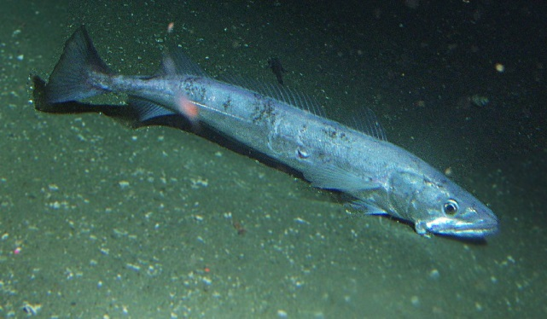
Age | Length |  |  |  | Pre_L | Diff | Diff^2
1 | 15.4 | Linf | 60.270616859 | 50 | 15.500603315 | -0.0065114373136 | 4.2398815889E-05
2 | 28.03 | K | 0.32730138728 | 0.2 | 27.997416115 | 0.001163140853 | 1.3528966438E-06
3.3 | 41.18 | t0 | 0.09164415686 | -0.1 | 39.181747473 | 0.04974168893 | 0.0024742356176
4.3 | 46.2 | sigma | 0.031330103079 |  | 45.068358444 | 0.024799384423 | 0.00061500946776
5.3 | 48.23 | term1 | -45.021286491 |  | 49.311818798 | -0.022182550454 | 0.00049206554463
6.3 | 50.26 | term2 | 6 |  | 52.370787001 | -0.041139403774 | 0.0016924505429
7.3 | 51.82 | all | -39.021286491 |  | 54.575894551 | -0.051816118396 | 0.0026849101256
8.3 | 54.27 |  |  |  | 56.165482603 | -0.034330791582 | 0.0011786032507
9.3 | 56.98 |  |  |  | 57.3113633 | -0.005798587381 | 3.3623615616E-05
10.3 | 58.93 |  |  |  | 58.13739025 | 0.013541292063 | 0.00018336659073
11.3 | 59 |  |  |  | 58.732845366 | 0.0045383272946 | 2.0596414633E-05
12.3 | 60.91 |  |  |  | 59.162088981 | 0.029116416927 | 0.00084776573466
13.3 | 61.83 |  |  |  | 59.471516303 | 0.038891203246 | 0.0015125256899

Gompertz
Age | Length |  |  |  | Pre_L | Diff | Diff^2
1 | 15.4 | Linf | 58.173039756 | 50 | 15.845842061 | -0.028539625958 | 0.00081451024982
2 | 28.03 | k2 | 0.51995977975 | 0.2 | 26.848450158 | 0.043067268105 | 0.001854789582
3.3 | 41.18 | lamda | 1.1373673031 | 0.9 | 39.256149568 | 0.047844592757 | 0.0022891050561
4.3 | 46.2 | t2 | 1.5053472518 |  | 46.043168872 | 0.0034003879397 | 1.156263814E-05
5.3 | 48.23 | sigma | 0.045465237617 |  | 50.62229991 | -0.048410954822 | 0.0023436205468
6.3 | 50.26 | term1 | -40.180494295 |  | 53.557861951 | -0.063553069154 | 0.0040389925989
7.3 | 51.82 | term2 | 6 |  | 55.383256435 | -0.066501142528 | 0.0044224019575
8.3 | 54.27 | all | -34.180494295 |  | 56.497890808 | -0.040231718553 | 0.0016185911778
9.3 | 56.98 |  |  |  | 57.171195306 | -0.0033498639136 | 1.122158824E-05
10.3 | 58.93 |  |  |  | 57.57530215 | 0.023256605214 | 0.00054086968606
11.3 | 59 |  |  |  | 57.816914307 | 0.020256075976 | 0.00041030861393
12.3 | 60.91 |  |  |  | 57.961043813 | 0.049626238366 | 0.0024627635343
13.3 | 61.83 |  |  |  | 58.046905466 | 0.063137284933 | 0.0039863167487

Logistic
Age | Length |  |  |  | Pre_L | Diff | Diff^2
1 | 15.4 | Linf | 57.01495018 | 50 | 16.214311864 | -0.051526791198 | 0.0026550102111
2 | 28.03 | k3 | 0.75265680181 | 0.2 | 26.088083711 | 0.071796717892 | 0.0051547687001
3.3 | 41.18 | t3 | 2.2260613648 | 0.9 | 39.440015704 | 0.043171773682 | 0.0018638020429
4.3 | 46.2 |  |  |  | 47.122379685 | -0.019768242626 | 0.00039078341651
5.3 | 48.23 | sigma | 0.059456709082 |  | 51.88353879 | -0.073020334112 | 0.0053319691938
6.3 | 50.26 | term1 | -36.692588526 |  | 54.476650221 | -0.080562641435 | 0.0064903391949
7.3 | 51.82 | term2 | 6 |  | 55.790287588 | -0.073823621547 | 0.0054499270983
8.3 | 54.27 | all | -30.692588526 |  | 56.431365722 | -0.039053545673 | 0.0015251794296
9.3 | 56.98 |  |  |  | 56.738519362 | 0.0042469951594 | 1.8036967884E-05
10.3 | 58.93 |  |  |  | 56.884385162 | 0.035329421349 | 0.0012481680129
11.3 | 59 |  |  |  | 56.953364683 | 0.035304674411 | 0.0012464200353
12.3 | 60.91 |  |  |  | 56.985919853 | 0.066593147655 | 0.0044346473146
13.3 | 61.83 |  |  |  | 57.001269925 | 0.081315136601 | 0.0066121514404

compare
Age | Length | von Bertalanffy | Gompertz | Logistic
1 | 15.4 | 15.500603315 | 15.845842061 | 16.214311864
2 | 28.03 | 27.997416115 | 26.848450158 | 26.088083711
3.3 | 41.18 | 39.181747473 | 39.256149568 | 39.440015704
4.3 | 46.2 | 45.068358444 | 46.043168872 | 47.122379685
5.3 | 48.23 | 49.311818798 | 50.62229991 | 51.88353879
6.3 | 50.26 | 52.370787001 | 53.557861951 | 54.476650221
7.3 | 51.82 | 54.575894551 | 55.383256435 | 55.790287588
8.3 | 54.27 | 56.165482603 | 56.497890808 | 56.431365722
9.3 | 56.98 | 57.3113633 | 57.171195306 | 56.738519362
10.3 | 58.93 | 58.13739025 | 57.57530215 | 56.884385162
11.3 | 59 | 58.732845366 | 57.816914307 | 56.953364683
12.3 | 60.91 | 59.162088981 | 57.961043813 | 56.985919853
13.3 | 61.83 | 59.471516303 | 58.046905466 | 57.001269925

